Foglio1
Brush Head Lift A |  | SN from 03D449

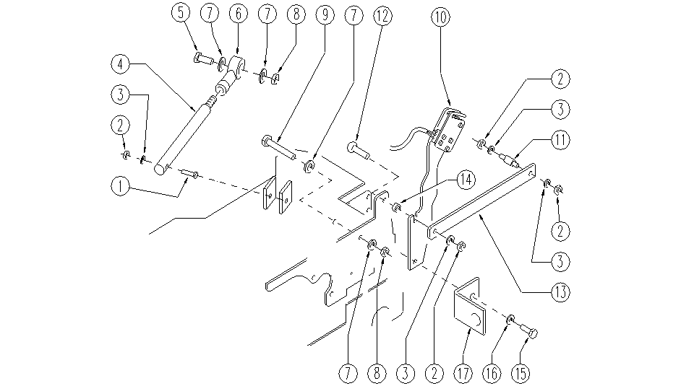

ITEM | SKU | DESCRIPTION | QTY
1 | E86486 | Screw M8-45 | 1
2 | E86853 | Nyloc Nut, M8 | 4
3 | E86879 | Washer | 4
4 | SL39072 | LEVER | 1
5 | SL04304 | SCREW | 1
6 | SL22004 | ARTICULATION | 1
7 | E86490 | Washer | 4
8 | E86489 | Nut, M12 Nylock | 2
9 | SL04151 | SCREW | 1
10 | GR53004 | SUPPORT ASSEMBLY | 1
11 | SL07608 | PIN | 1
12 | E86978 | Screw TM8-25 | 1
13 | SL39073 | LEVER | 1
14 | E86453 | Bushing | 1
15 | E89182 | Screw | 1
16 | E89119 | Washer | 1
17 | E87939 | Support | 1

